Separation Distances
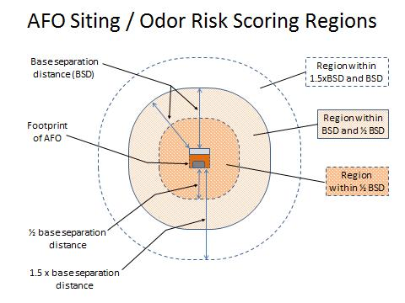
Animal Unit Number | Solid Manure System
Less than 300 | None
300-1000 | 1320 ft (1/4 mile)
1001-2500 | 1650 ft
2501-5000 | 1980 ft
5001-7500 | 2310 ft
7501-10,000 | 2640 ft (1/2 mile)
10,001-17,500 | 3300 ft
17,501-25,000 | 3960 ft
25,001-50,000 | 5280 (1 mile)
50,001-100,000 | 6600 ft

Animal Unit Number | Semi-Solid or Combination System
Less than 300 | None
300-1000 | 1650 ft
1001-2500 | 2145 ft
2501-5000 | 2970 ft
5001-7500 | 3530 ft
7501-10,000 | 4070 ft
10,001-17,500 | 5610 ft
17,500-25,000 | 6,600 ft

Animal Unit Number | Liquid Manure System
Less than 300 | None
300-1000 | 1980 ft (3/8 mile)
1001-2500 | 2640 ft (1/2 mile)
2501-5000 | 3960 ft (3/4 mile)
5001-7500 | 4750 ft (9/10 mile)
7501-10,000 | 5500 ft
10,000-17,500 | 7920 (1 1/2 miles)

Manure System Definitions

Solid Manure System - Vast majority (> 90%) of excreted manure will be maintained in a form that can be handled with a front-end loader and stacked without seepage under normal operating conditions. Example systems include floor-raised poultry, deep-bedded housing systems, and drylots. | Semi-Solid or Combination System - Default category for systems that do not fit the description of a solid or liquid manure system. Potential example systems include dairies having multiple types of housing and/or significant separation of solids prior to long-term storage, modestly bedded facilities, and multi-species operations. | Liquid Manure System - Vast majority (> 90%) of excreted manure will be stored in a form that – with or without agitation/mixing – can be handled with a common centrifugal pump under normal operating conditions. Example systems include slatted-floor facilities and facilities where manure can be transferred via gravity.

Wind Roses
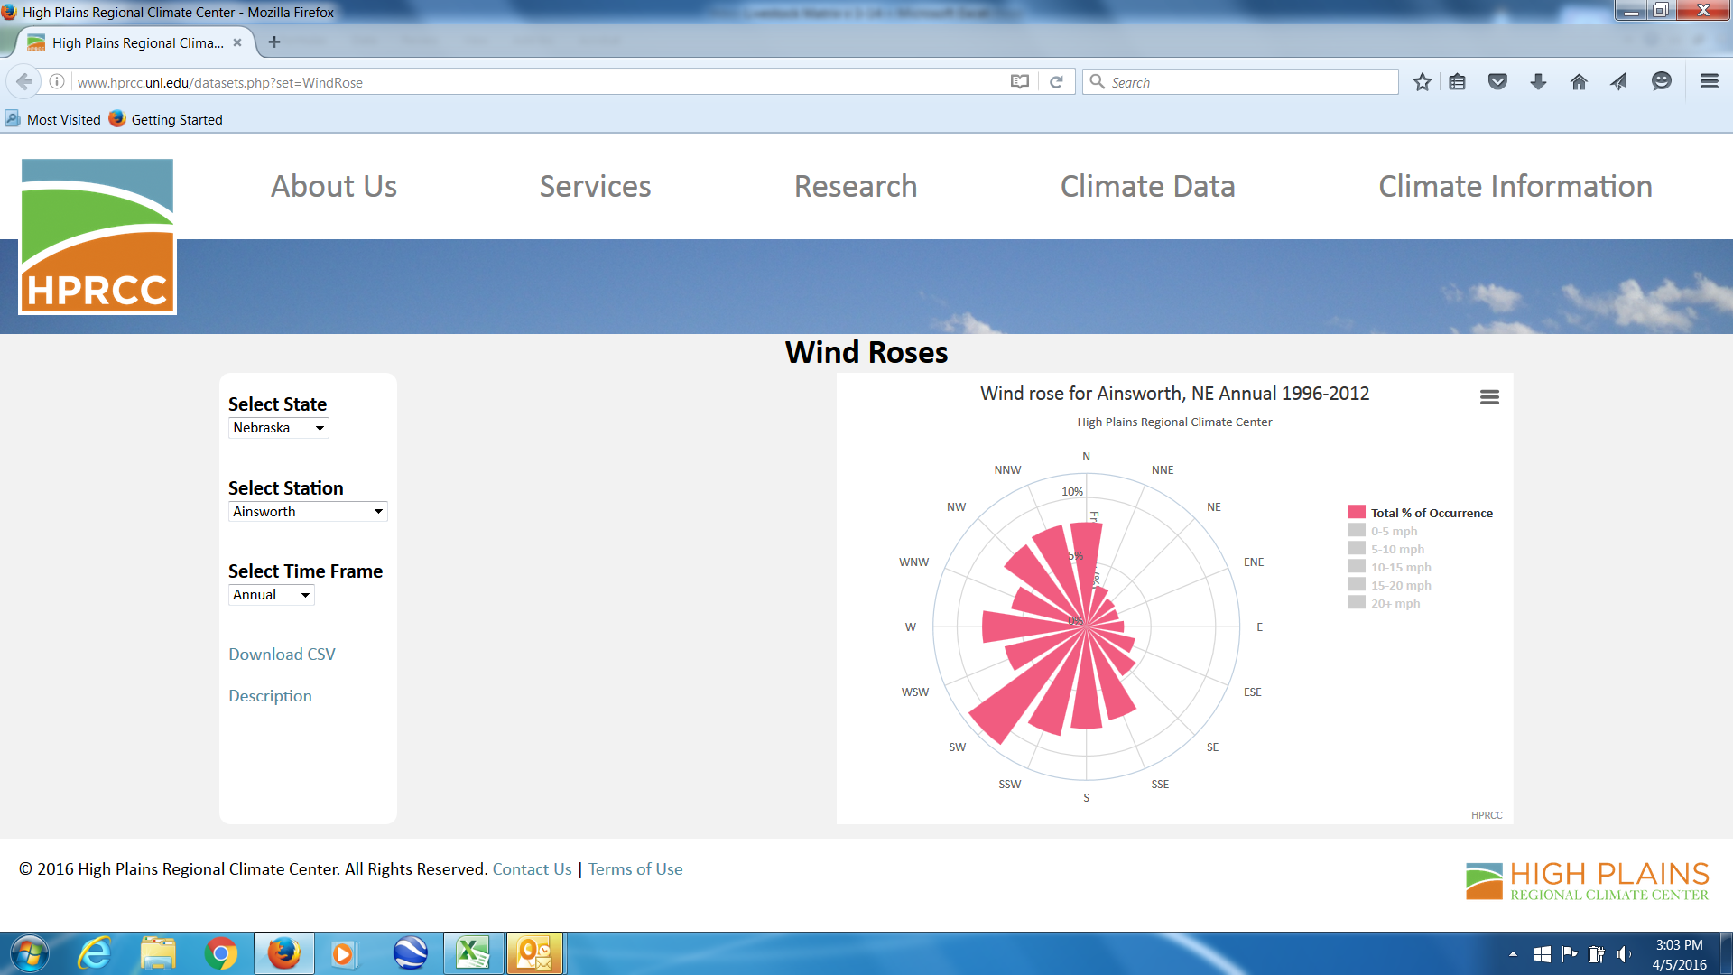
Wind roses for Nebraska are available at: | http://www.hprcc.unl.edu/datasets.php?set=WindRose

For the example shown below, prevailing wind directions for Ainsworth are SW, SSW and W and NNW, N and NW. Dwellings located downwind from these directions (generally to the NE and SSE of the site) are at greatest odor risk.

Definitions
Nebraska Livestock Feeding Operation Development Matrix - Definitions

A | Livestock Operation Size | Definition
1 | Large Livestock Operation means an animal feeding operation (AFO) that stables or confines as many as or more than the number of animals specified in any of the following categories: | 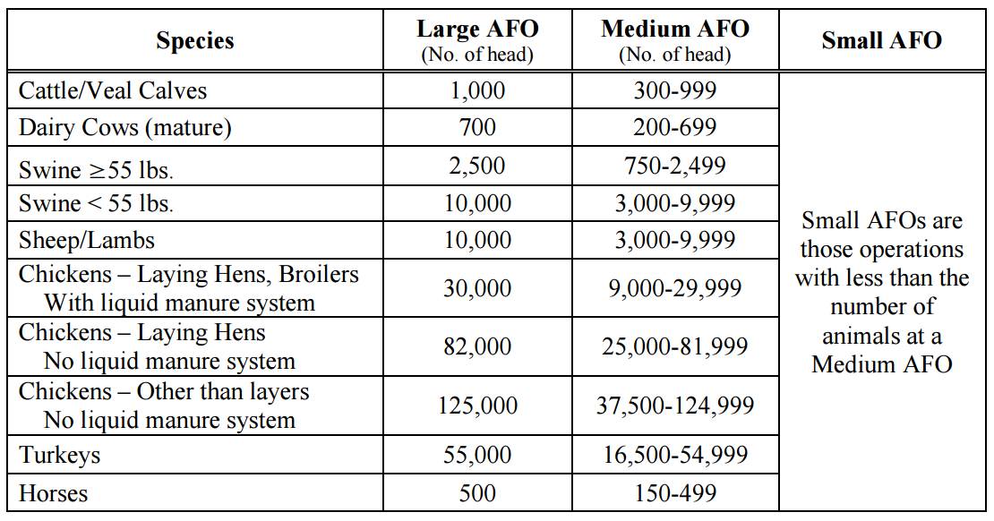
2 | Medium Livestock Operation means an animal feeding operation that confines or stables the type and number of animals in any of the following ranges:
3 | Small Livestock Operation means an animal feeding operation with:
B | Environmental Protection Plans | Definition
1 | NDEE has issued letter that NO construction and operating permit is required | The livestock operation has been inspected by the Nebraska Department of Environment and Energy (NDEE) pursuant to Title 130 and, based upon NDEE's inspection, no livestock waste control facility is required by NDEE, or no construction and operating permit or National Pollutant Discharge Elimination System (NPDES) permit is required by NDEE.
3 | Nutrient Management Plan | A detailed plan with an agronomic goal of using manure nutrients generated from the livestock operation into a cropping system. The plan must account for all sources of nutrients including, but not limited to: manure, litter, and process wastewater; commercial fertilizer; crop residues and previous legume crops; soil organic matter; available nutrients in the soil; and irrigation water. It specifies the form, source, amount, timing, and method of land application of nutrients on each field. Data on each individual field or field segment for land application must include: legal description, aerial photos and maps, amount of usable acres, dominant soil type, cropping practices, historic yields, and if land used by other livestock operations. It also needs to discuss soil and manure sampling methods and testing. In instances where the nutrient management plan is not required and reviewed by NDEE, the nutrient management plan must be written or certified by a Technical Service Provider (TSPs are certified by the U.S. Department of Agriculture) or Certified Crop Advisor (CCAs are certified by the American Society of Agronomy).
4 | Animal Mortality Management Plan | A plan in which the livestock operation handles and disposes of animal mortality. Nebraska allows for on-site burial, on-site incineration, on-site composting, rendering, and possible landfill burial (depending on individual landfills). Disposal of animal mortality in the livestock waste control facility is prohibited.
5 | Request for Inspection of Animal Feeding Operation (Title 130 - Form A) | A request for inspection form is required from all applicants of a livestock operation desiring to construct or modify their livestock waste control facility. It includes the legal name of the applicant and address, the name of the livestock operation and its location, animal type, average weight, and capacity.
6 | Permit Application (Title 130 - Form B) | A permit application form is required from all applicants of a livestock operation requesting permit coverage under the provisions of NDEE's Title 130. It includes the type of coverage requested, the legal name of the applicant and address, the name of the livestock operation and its location, animal type, average weight, and capacity.
7 | Applicant Disclosure (Title 130 - Form C) | An applicant disclosure form is required from all applicants of a livestock operation requesting permit coverage under the provisions of NDEE's Title 130. It includes the legal name of the applicant, the name of the livestock operation and location, ownership information, participation of other livestock operations, livestock waste discharges, and any violations of environmental laws (local, state, or federal).
8 | Livestock Feeding Operation Narrative | A narrative description of the livestock operation, the type of animals, the maximum animal capacity, and the average animal weight. It also includes a description of the livestock waste control facility and how it will function and operate.
9 | Livestock Feeding Operation Site Plan, Construction Drawings, and Maps | Scaled site drawings, topographic maps, details on the features of the livestock waste control facility including, but not limited to: size, dimensions, capacities, elevations, and materials for conveyance structures, pipe inlet and outlets, construction details such as reinforcement and joint construction, sealing details, and concrete specifications.
10 | Construction Quality Assurance Plan | Required for construction; a construction quality assurance plan includes two parts: quality control, which provides specifications for construction that is safe, adequate, dependable, and economical; and quality assurance, which involves verifications, audits, and evaluations that ensure the livestock waste control facility is built according to specifications.
11 | Manure Production and Storage/Treatment Calculations | Calculations on manure production from the livestock operation including, but not limited to: estimated manure, litter, and process wastewater volume produced, runoff calculations, and sizing calculations on diversion terraces, debris basins, holding structures, underfloor building pits, etc.
10 | Operation and Maintenance Plan | A plan in which the livestock operation explains on how it will handle day-to-day operations, including inspections of the livestock operation, the livestock waste control facility, and land application. It also includes plans on how to handle maintenance and repairs to the livestock operation. A list of record keeping requirements is also included.
12 | Chemical Management Plan | A narrative which identifies the location of petroleum products, chemicals, and fertilizers that are used on or adjacent to the livestock operation. It also includes procedures for proper handling and disposal of such materials. Disposal into the livestock waste control facility is prohibited unless specifically designed and properly used for livestock production or manure treatment.
13 | Emergency Response Plan | A schedule of activities the livestock operation puts into action in the event of an accident or emergency, such as a spill, release or discharge of animal waste due to such events as power failures, large storms, leaks or breaks in water supply systems, component failure of the livestock waste control facility, including any releases during land application due to equipment failure or accidents. The plan also includes steps to identify the cause of the spill, contain and control the spill, and spill cleanup. Notification of NDEE and local authorities is required within 24 hours upon discovery of the discharge. A written report submitted to NDEE is required within 5 days of the event. NDEE may require additional actions or additional information.
14 | Sludge Management Plan | A plan in which the livestock operation implements when it is determined the amount of sludge in a storage structure is at a level where the material is infringing upon proper operation and it is must be removed. The plan needs to provide details on how the sludge is removed and applied to application land.
15 | Livestock Operation Closure Plan | A schedule of specific activities including notification to NDEE when closure plan is implemented and completed. Activities include liquid and sludge removal methods and equipment used, analysis of sludge and sediment, and land application method. Closure plan also needs to include plans if raising livestock has permanently stopped.
16 | Best Management Practices for Odor Control | A list of activities, operational processes, and management practices that are found to be effective methods based on best available control technology to help prevent and control odors. Best management practices (BMP) for odor control may be implemented in the livestock operation, the livestock waste control facility, and land application areas.
C | Siting | Definition
1 | County setback | County setback is the minimum separation - as established by the county - between the footprint of AFO production facilities (e.g. buildings, open confinement lots, waste containment) and any private dwellings or public places.
 | Private dwelling or public places | Residence not owned by the livestock operation owner, hospital, nursing home, school, church, platted subdivision, or recreational park.
 | Separation distance for odor | Separation distance for odor is the minimum recommended separation between the footprint of animal feeding operation (AFO) production facilities (e.g. buildings, open confinement lots, waste containment) and any private dwellings or public places. The listed separation distances for odor are for AFO sited in primarily agicultural use areas. Separation distances for odor were either determined using the Nebraska Odor Footprint Tool (NOFT) to meet a 94% odor annoyance-free criterion in the worst-case [prevailing downwind] direction from the AFO or selected based upon the collective professional judgement of the Livestock Matrix Committee where the science basis for applying the NOFT to a type of AFO was comparitively weak.
 | Impact easement/distance waiver | An impact easement or distance waiver is a signed agreement with the owner of a private dwelling or public place that waives consideration of that dwelling or place for purposes of setbacks or separation distances.
2 | Formula | (5-N) x 2 where N is the number of dwellings. Points will be gained when there are fewer than 5 dwellings within this transition area and lost when there are more than 5 dwellings.
3 | Formula | -1 x N^2 or a deduction of N x N, where N is the number of dwellings.
4 | Formula | -10 x N^2 or a deduction of 10 x N x N, where N is the number of dwellings.
5, 6 | Wind roses | A wind rose is a plot that quickly shows the distribution of wind speed and direction at a given location. The length of each spoke relates to the amount of time the wind blows from that particular direction, i.e. the longer the spoke, the more time that the wind blows from that direction. Wind roses for many locations in Nebraska can be found at the High Plains Regional Climate Center (HPRCC) website: http://www.hprcc.unl.edu/datasets.php?set=WindRose#.
5, 6 | Prevailing wind directions | In the Livestock Development Matrix, assign prevailing wind directions as having 8% or greater occurence on an annual basis for a given location (and a standard 16-spoke wind rose). When using the HPRCC website, the occurrence frequency may be obtained by clicking on the legend box labeled "Total % of occurrence" and then hovering the cursor over the spoke for a direction.
7 | Nebraska Odor Footprint Tool | The Nebraska Odor Footprint Tool (NOFT) is a science-based tool for assessing the odor risk of AFO and the expected benefit of odor control technology in terms of reduced odor risk. The NOFT can be found at http://water.unl.edu/manure/odor-footprint-tool.
D | Environmenal and Zoning Compliance Record | Definition
 | Owner | Owner means the person or entity who owns an animal feeding operation.
 | Judicial Enforcement Action | A judicial enforcement action is an action that has been filed against the owner on behalf of the Nebraska Department of Environment and Energy. Generally these enforcement actions have been resolved with either a consent decree, which is a settlement agreed to by the parties and approved by a judge, or with a decision issued by a presiding judge after trial.
E | Water Quality Protection through Livestock Waste Control Facility | Definition
1 | Animal confinement building | A roofed housing structure that effectively eliminates runoff from animal facilities. Note that shade structures and buildings with outdoor lots do not qualify and should be considered as open lots.
2 | Open lot with stockpile | A system that produces runoff that needs containment. Solid manure and soiled livestock bedding are regularly removed and stockpiled in a convenient location for land application at a later date, within 180 days. Stockpiles must be managed to not contribute to water pollution.
3 | Vegetative treatment system for runoff | A designed, site-specific alternative to handle AFO runoff that relies on overland flow and infiltration into land with perennial forage or grasses for later uptake of nutrients and water.
4 | Runoff containment structures | A designed system of structures to collect and control AFO runoff, including, but not limited to: diversion terraces, debris basins, holding structures, holding ponds, lagoons, etc.
5 | Roofed manure containment | Majority of manure is stored under roof to exclude precipitation and prevent runoff. Examples include deep-pit barns, bedded-pack barns, high-rise barns, and facilities with a separate building or covered tank for storing manure.
6 | Concrete-equivalent containment structure | Containment formed of concrete [or equivalent materials for strength and impermeability] that stores the majority of manure and process wastewater. Examples include deep-pit barns, concrete or lined steel storage tanks [open or roofed], and storage sheds with concrete floors and stubwalls.
7 | Compacted-clay or Geomembrane-lined structure | Containment that uses clay or an engineered geomembrane material to adequately seal the structure and prevent leakage, per NDEE requirements.
8 | Waters of the State | All waters within the jurisdiction of Nebraska, including all streams, lakes, ponds, impounding reservoirs, marshes, wetlands, watercourses, waterways, wells, springs, irrigation systems, drainage systems, and all other bodies or accumulations of water, surface or underground, natural or artificial, public or private, situated wholly or partly within or bordering upon the State.
9 | Separation distance between any well used for domestic purposes and a Livestock Waste Control Facility | Minimum of 100 feet separation distance is a siting/location restriction from NDEE. Greater separation is generally thought to offer additional protection.
10 | Additional storage capacity | A livestock operation may chose to size the livestock waste control facility over industry accepted capacities and above NDEE minimum requirements. Having additional storage capacity (e.g. 270 vs. 180 days) provides flexibility in timing manure application, thereby reducing environmental risk.
F | Odor and Dust Control for Facilities | Definition
1 | Biofilter | Treats ventilation air exhausted from a livestock building. Biofilters provide a medium for the growth of beneficial bacteria, which convert odorous compounds into simple non-odorous compounds. Treatment of minimum ventilation airflow (e.g. exhaust from pit fans) is industry norm for biofilters.
2 | Oil/water sprinkling | Vegetable-based oil spray absorbs dust particles in livestock buildings, removing them from exhausted air. Spraying water onto pen surfaces is an effective dust control method for open lots. Adequate equipment must be put in place to achieve surface application of oil or water.
3 | Electrostatic/Ionization system | Systems apply an electical charge to dust particles, which are then attracted to building surfaces and removed from exhausted air. Adequate equipment must be in place.
4 | Windbreaks | Natural (VEB or shelterbelts) or man-made (windbreak walls) barriers are used to lift and disperse air leaving a livestock operation, reducing odor and dust concentrations in nearby leeward areas.
5 | Solids routinely separated from liquids | Equipment system breaks incoming manure stream into two separate flows; a stackable 'solid' material and a reduced-solids-content liquid stream.
 | Stockpiled for later application to land | Separated solids are stored as is (either on site or in field) prior to application onto land.
 | Composted, dried and used for bedding, or equivalently treated. | Separated solids are treated (in managed way) to reduce moisture content, volume, and odor emissions, producing a stabilized, more acceptable product; typically achieved by physically turning and mixing the material or, less commonly, by blowing air through the material.
6 | Cover on manure storage or first (settling) cell of mult-cell system | Covers are typically placed on the surface (floating) of stored manure or over the top of a storage structure to reduce odor emissions and retain nutrients. Covers can be permeable or impermeable and typically are constructed of straw or geomembrane/geosynthetic materials. While naturally forming crusts can offer similar benefits, the presence of a natural crust is not normally ensured or managed and is excluded here.
 | Impermeable cover with flare or gas treatment | Impermeable covers are more effective at reducing odor and gas emissions from stored manure than are permeable covers as long as the captured gases are combusted or treated.
7 | Aerobic treatment | Biological manure treatment that occurs in the presence of oxygen and has potential to reduce emissions of odor, methane and ammonia. May be achieved through proper design and operation of aerobic treatment lagoons, circulation of contained liquid, or by injecting air into contained liquid.
 | Without verifiable scientific evidence that aerobic conditions will be achieved | A wide range of performance exists in aerobic treament systems in the field. When aerobic treatment systems are installed without evidence that desired aerobic conditions will be achieved, minimal benefit should be assigned to such systems.
 | With verifiable scientific evidence that aerobic conditions will be achieved | Evidence of design and management for achieving aerobic treatment (i.e. sufficient to shift N from NH3 to NH4 in liquid manure / lagoon effluent) helps assure that system potential will be realized.
8 | Anaerobic digester | A controlled, engineered system that promotes the decomposition of manure or "digestion" of the organics in manure and production of biogas (mostly methane). Odor reduction is achieved by reducing the volatile oganics content of the effluent and by removing sulfur compounds and then combusting the biogas.
9 | Other supplemental odor reduction measures | Other products or processes that help reduce odors and dust emissions, aid breakdown of volatile organic compounds, and improve crop available nutrients. Demonstation of the effectiveness needs to be documented.
G | Manure Application Practices | Definition
 |  | Select the primary method of manure application under normal conditions.
1a | Subsurface application | Manure and effluent are 'knifed in' or 'injected' below the soil surface, which is highly desirable for nutrient retention and odor reduction. Equipment may include mounted or pulled liquid manure wagon or a drag hose/tethered toolbar, with mounted chisels, coulters, sweeps, or disks.
1b | Surface-applied solids | Solid manure (typically less than 80% moisture) is applied onto the soil surface, which poses some risk for runoff, nutrient loss, and odor emission. Equipment may include mounted or pulled box spreader and a rear or side distribution spreading system.
 | Incorporated within 2 days of application | Incorporation of surface applied solids into the soil profile (typically to a depth of 4-5 inches) using tillage equipment will help reduce ammonia volitization, retain manure nutrients, and reduce odors. The closer incorporation occurs after land application, the greater the benefit.
 | Incorporated within 3 to 7 days of application
 | Incorporated more than 7 days after application, but before planting
1c | Surface-applied slurry or effluent | Manure slurry or effluent (typically more than 80% moisture) is applied onto the soil surface, which generally poses undesirable risk for runoff, nutrient loss, and odor emission. Equipment may included mounted or pulled liquid manure wagon with a rear or side liquid distribution system. Other equipment is a volume traveling gun.
 | Application equipment discourages drift and encourages entry into soil | Some equipment is designed to minimize time manure is airborne and mechanically prepares the soil surface to enhance infiltration of applied liquids.
 | Incorporated within 2 days of application to 50% or more of the land receiving manure | Incorporation of surface-applied manure slurry or effluent into the soil profile (typically to a depth of 4-5 inches) using tillage equipment will help reduce ammonia volitization, retain manure nutrients, and reduce odors. The closer incorporation occurs after land application, the greater the benefit.
 | Incorporated within 3 to 7 days of application to 50% or more of the land receiving manure
1d | Sprinkler irrigation | A system used to apply very dilute effluent to land using irrigation equipment (typically center pivots). While there is some risk of runoff and odor from irrigation, when used optimally, it allows growing crops to use the applied material as an efficient source of water and plant nutrients.
 | Utilize drop nozzles or hoses | A low-pressure sprinkler package that applies effluent below the span or framework of the pivot, for reduced risk of drift, odor and nutrient loss, and optimal distribution into an existing plant canopy.
 | Utilize a monitoring and alarm system | A system attached to the sprinkler irrigation system that will send notifications and alarms to a user's phone, computer or other device in the event of a malfuction or change in operation.
 | Irrigation distribution system has a complete disconnect from the water source during application | A system in which the source of the effluent is connected separately to the sprinkler irrigation equipment. There is no common connection between the effluent source and irrigation water.
 | Irrigation distribution system does NOT have a complete disconnect from the water source during application | A system in which the source of the effluent is connected in conjunction with irrigation water. NDEE requires this system to have a pipeline check valve, a vacuum relief valve, an inspection port, and a low-pressure drain.
5 | Cover conditions for manure application | Land surface cover conditions influence the fate of applied manure.
 | Conservation tillage is implemented on the majority of land receiving manure | Reduced tillage stabilizes soil, reduces runoff, and decreases the likelihood of eriosion that can carry nutrients off of the field.
 | No-till farming is implemented on the majority of land receiving manure | Reduced tillage stabilizes soil, reduces runoff, and decreases the likelihood of eriosion that can carry nutrients off of the field.
 | Application limited to primarily fields with a growing crop | Growing crops reduce potential for runoff and soil erosion and utilize manure nutrients in a timely manner after application.
 | Application limited to primarily fields with an established plant canopy | An established plant canopy helps reduce potential for runoff and soil erosion, limits exposure of manured soil and associated ammonia volatilization and odor emission, and suggests timely and efficient utilization of applied nutrients.
H | Manure Application Separation | Definition
1 | Vegetative buffer | Continuously vegetated, unmanured area separating cropland that will receive applied manure [or chemical additions) from protected features (dwelling, stream, well head, etc.); established to prevent nutrients (chemicals) in sediment-laden field runoff from reaching the protected features.
2 | Additional separation provided, above and beyond minimum requirements, from land application areas to closest dwelling or public place. | Minimum distances are established by counties. In the case that no distances are established (there is no minimum requirement), the "additional" separation distance is the total separation distance.
3 | Additional separation provided, above and beyond minimum requirements, from land application areas to closest surface waters | Minimum distance, per NDEE, is 35 feet with a vegetative buffer or 100 feet without a vegetative buffer.
4,5 | Natural surface drain | Areas of fields especially prone to erosion from runoff gathering and flowing through the areas.
I | Additional Assurance of Environmental Protection | Definition
1 | Assurance that the following plans will be kept current, displayed and/or readily accessible on site, and included in training procedures during operation | For a plan to be effective it needs to be regularly reviewed and updated (as needed), readily accessible to those responsible for implementing the plan, and incorporated into the training of those who will implement the plan.
 |  | See Section B for plan definitions
2 | Verification that earthen structures requiring a compacted soil liner are constructed with materials that meet a permeability rate ≤ 0.125 inch/day | Compacted soil liners need to be constructed of materials and with construction methods so that percolation does not exceed 0.13 inches per day. A qualified soil laboratory must conduct the test and any areas not passing, must be reworked and retested. Permeability test results need be submitted to NDEE.
3 | Documentation that earthen structures using a geomembrane liner are installed according to the construction quality assurance/quality control plan | Geomembrane liners need to be constructed of materials and with construction methods so that the liner is properly installed and free from defects which may create leaks. A qualified installer or engineering firm may conduct the testing; any areas not passing, must be reworked and retested. An as-built report with construction documentation and testing results needs to be submitted to NDEE.
J | Traffic | Definition
1 | Main entrance to livestock operation located on minimum maintenance road or a county road with permanent weight restrictions | Minimum maintenance roads to be identified by the county.
2 | Livestock operation has a cost-share agreement with the county for road maintenance | Operation has a written agreement with county to provide financial support for roads maintenance (i.e., gravel purchases).
3 | Vehicle entrance and turnaround is designed so that traffic will not be required to back into the livestock operation from the county road | The livestock operation is designed so that vehicles entering and leaving the site do not need to stop and back up, or otherwise impede the county road any longer than necessary.
4 | Heavy vehicle route established that avoids bridges or roads with weight restrictions | In normal years and normal operating conditions, the livestock operation will use a traffic route that avoids driving heavy vehicles on bridges and roads with weight restrictions.
5 | Livestock operation can avoid county roads to apply X% manure nutrients generated | In normal years and normal operating conditions, the livestock operation will avoid driving heavy equipment on county roads to apply the specified range of manure nutrients it generates.
K | Authorized Representative or Manager Residency | Definition
 | Authorized Representative | A person authorized by the owner of the livestock operation to make management-level decisions on behalf of the owner.
 | Manager | Manager means the person with daily responsibility for the operation of an animal feeding operation.
 | Separation distance for odor | Defined in Section C
L | Neighbor - Community Communication | Definition
1 | Communication with 100% of the property owners within a one-mile radius | Livestock operation will provide information that it has communicated their plans with all property owners within one-mile radius (written, electronic forms, and/or telephone conversations).
M | Economic Impact Factors | Definition
1 | Will increase property valuation as of county permit issue date by $X | Property valuation to be determined by county assessor.
2 | Will create the following number of new full-time or equivalent jobs | New full-time or equivalent jobs will be created to work at the facility. Not to include jobs created elsewhere to work with the operation or as a consequence of the operation - multiplier effects considered seperately.
N | Landscape and Aesthetic Appearance | Definition
1 | Landscaping plan | A plan implemented to create the livestock operation to have an acceptable appearance, taking into account topography, existing structures, and site drainage.
2 | Visual barriers | Barriers (i.e. fences, gating, trees) placed in strategic locations (can tie into landscaping plan) around the livestock operation to screen public and/or neighbor views of animal production facilities and livestock waste control facility.
3 | Animal mortality managed so that it is hidden from public view | Manage mortality in such a manner as to minimize public exposure to dead animals.
4 | Site designed to facilitate clean surface water drainage away from livestock operation | The livestock operation is designed so that surface drainage of water is diverted away from the livestock operation (buildings, lots, etc.) and the livestock waste control facility.

